Summary
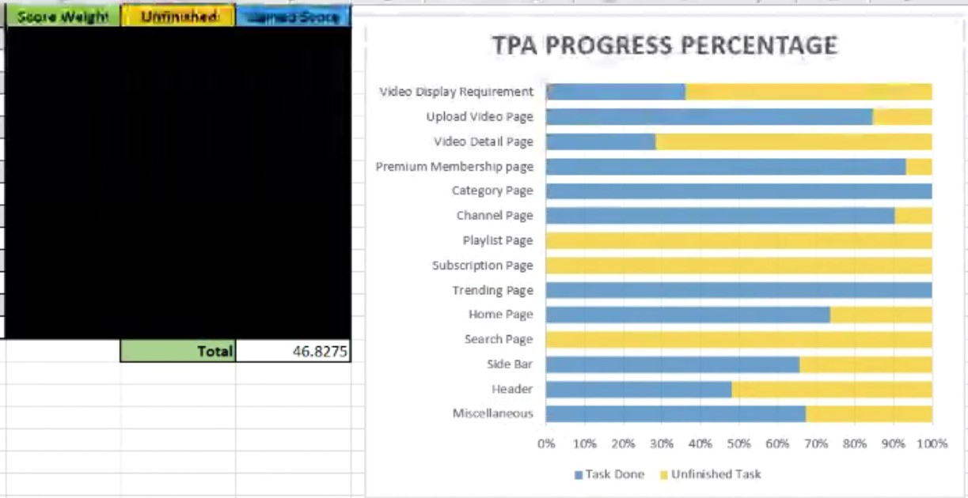
Tpa Progress Percentage
Container name | Score Weight | Unfinished | Gained Score
Miscellaneous | 12.55 | 4.05 | 8.5 | 6.5
Header | 5 | 2.275 | 2.725
Side Bar | 3.5 | 0 | 3.5
Search Page | 6 | 0 | 6
Home Page | 1.6 | 0.125 | 1.475
Trending Page | 1.2 | 0 | 1.2
Subscription Page | 2.6 | 0.75 | 1.85
Playlist Page | 9.9 | 1.35 | 8.55
Channel Page | 13.1 | 0.625 | 12.475
Category Page | 2.3 | 0 | 2.3
Premium Membership page | 2.2 | 0.075 | 2.125
Video Detail Page | 18.45 | 5.55 | 12.9
Upload Video Page | 4.25 | 0.65 | 3.6
Video Display Requirement | 17.35 | 0 | 17.35
 |  | Total | 84.55

